Application Form
Warm Greetings! This is an application form of 2024 Summer KAI-X Research Internship Program. 1. Fill in the form in English. You can contact kai-x@kaist.ac.kr for any inquiries. 2. Please note that this application will be open from Feb 1, 2024, to Mar 31, 2024, 24:00.(Seoul Time, UTC+9). |  |  | Warm Greetings! This is an application form of 2024 Summer KAI-X Research Internship Program. 1. Fill in the form in English. You can contact kai-x@kaist.ac.kr for any inquiries. 2. Please note that this application will be open from Feb 1, 2024, to Mar 31, 2024, 24:00.(Seoul Time, UTC+9). |  |  |  |  | Warm Greetings! This is an application form of 2024 Summer KAI-X Research Internship Program. 1. Fill in the form in English. You can contact kai-x@kaist.ac.kr for any inquiries. 2. Please note that this application will be open from Feb 1, 2024, to Mar 31, 2024, 24:00.(Seoul Time, UTC+9). |  |  |  |  | Warm Greetings! This is an application form of 2024 Summer KAI-X Research Internship Program. 1. Fill in the form in English. You can contact kai-x@kaist.ac.kr for any inquiries. 2. Please note that this application will be open from Feb 1, 2024, to Mar 31, 2024, 24:00.(Seoul Time, UTC+9). |  |  |  |  |  | Warm Greetings! This is an application form of 2024 Summer KAI-X Research Internship Program. 1. Fill in the form in English. You can contact kai-x@kaist.ac.kr for any inquiries. 2. Please note that this application will be open from Feb 1, 2024, to Mar 31, 2024, 24:00.(Seoul Time, UTC+9).
Agreement |  |  | Personal Information |  |  |  |  | Personal Information |  |  |  |  | Laboratory Choice |  |  |  |  |  | Documentation
Agreement | Period Confirmation | Support Details Confirmation | Email | First Name | Last Name | Date of Birth | Affiliation | Year of Study | Region | Country | Departing City | Sex | Lab 1 Department | Lab 1 | Lab 2 Department | Lab 2 | Lab 3 Department | Lab 3 | Essay(activity plan) | Transcript | Reference Letter
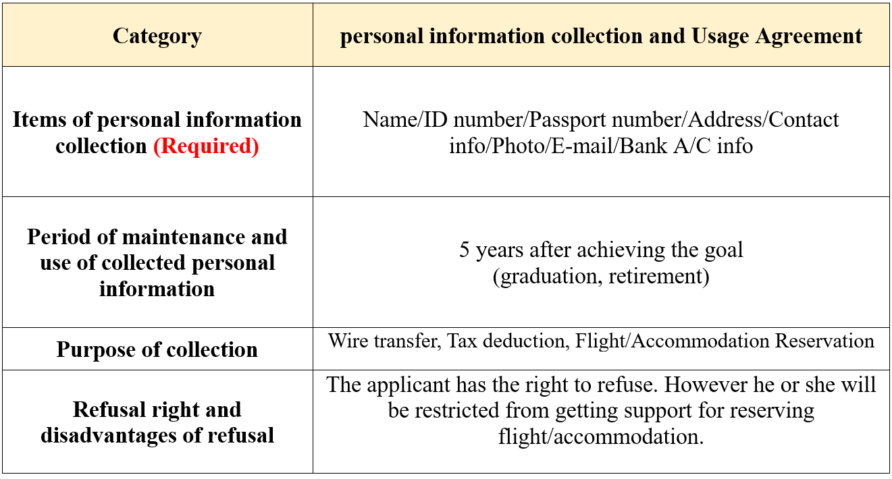 Do you agree with personal information collection/usage? Choose the answer from the list. In accordance with the Personal Information Protection Act, we are seeking your consent for the collection, use, and sharing of your personal information as follows: | Do you confirm/agree with the period of the internship program, which lasts 8 weeks from June 24, 2024, to Aug. 16, 2024? If you are unable toattend the entire period of the internship, please note that you may not beeligible for airfare support. | Do you confi rm/agree with the support details provided for the internshipprogram, especially regarding airfare and accommodation? KAI-X will support airfare(up to 1 million KRW), and accommodation(up to 500,000KRW), excluding meals. | What is your email address? Please double-check and ensure it is written correctly. | What is your first name? Please write your legal(passport) name. Example : David | What is your last name? Please write your legal(passport) name. Example : Gibbson | Please write your date of birth refering to your passport. Example : YYYY-MM-DD | What is the name of your university(insititute)? Please use the formal name of your institute, do not use abbreviation. | What year are you currently in? Please choose from the list. Only undergraduate students in their 3rd or 4th year and Master's students are eligible to apply for this internship program. Students currently enrolled in a doctoral degree program are not eligible to apply. | Please choose the region to which your university(institute) belongs | Which country is the university(institute) in? | Which city are you departing from? | What is your biological sex? Please choose from the list. | Please choose a department first. | Please refer to lab list_2024 sheet, and choose a lab that you want to join. Example : Machine Learning Lab(Hojun Choi) Additionally, you can list two more labs below. Please note that the order of listing does NOT indicate priority, and the assignment to a lab can be from any of the choices you provide. | Please choose a department first. | Please choose another lab that you want to join. optional, can be omitted | Please choose a department first. | Please choose another lab that you want to join. optional, can be omitted | Have you submitted your essay(activity Plan),along with transcript, and reference letter to kai-x@kaist.ac.kr? Choose the answer, please. Combine all documents into one PDF file, naming it with your full name. Ensure the documentation is valid; otherwise, your application may be considered invalid 1. Essay : Write an essay of up to 1,200 words, explaining your motivation for applying, your choice of labs, and your plans within those labs.(essay form attached) | Have you submitted your essay(activity Plan),along with transcript, and reference letter to kai-x@kaist.ac.kr? Choose the answer, please. 2. Transcript : Only official English documentation, issued within the last 3 months by your institute or a reliable institute, is accepted. Official stamps or signatures from the person in charge are required. | Have you submitted your essay(activity Plan),along with transcript, and reference letter to kai-x@kaist.ac.kr? Choose the answer, please. 3. Reference letter : If your advisor wishes to keep the letter confidential, instruct them to email kai-x@kaist.ac.kr before the end of the application period, including your correct name.

